Line charts data
Revenue 2
Date | Revenue | Date | Revenue 2 | Data Labels | Date | Revenue
2006-09-03 | ₹1,332.00 | 2005-07-14 | ₹ 138,576 | 141 | 38477 | 1350
2006-09-04 | ₹1,165.00 | 2005-07-15 | ₹ 121,831 | 142 | 38478 | 1317
2006-09-05 | ₹1,268.00 | 2005-07-16 | ₹ 123,963 | 167 | 38479 | 1131
Revenue 1
2006-09-06 | ₹1,316.00 | 2005-07-17 | ₹ 116,021 | 191 | 38480 | 1334
2006-09-07 | ₹1,088.00 | 2005-07-18 | ₹ 134,565 | 113 | 38481 | 1006
2006-09-08 | ₹1,255.00 | 2005-07-19 | ₹ 126,362 | 134 | 38482 | 1101
2006-09-09 | ₹1,033.00 | 2005-07-20 | ₹ 128,405 | 149 | 38483 | 1313
2006-09-10 | ₹1,384.00 | 2005-07-21 | ₹ 105,143 | 141 | 38484 | 1151
2006-09-11 | ₹1,048.00 | 2005-07-22 | ₹ 123,349 | 133 | 38485 | 1036
2006-09-12 | ₹1,127.00 | 2005-07-23 | ₹ 104,705 | 195 | 38486 | 1074
2006-09-13 | ₹1,266.00 | 2005-07-24 | ₹ 110,691 | 179 | 38487 | 1310
2006-09-14 | ₹1,147.00 | 2005-07-25 | ₹ 119,971 | 186 | 38488 | 1318
2006-09-15 | ₹1,225.00 | 2005-07-26 | ₹ 101,178 | 110 | 38489 | 1337
2006-09-16 | ₹1,101.00 | 2005-07-27 | ₹ 102,175 | 149 | 38490 | 1391
2006-09-17 | ₹1,266.00 | 2005-07-28 | ₹ 133,281 | 157 | 38491 | 1006
2006-09-18 | ₹1,296.00 | 2005-07-29 | ₹ 128,002 | 181 | 38492 | 1299
2006-09-19 | ₹1,059.00 | 2005-07-30 | ₹ 139,623 | 171 | 38493 | 1187
2006-09-20 | ₹1,367.00 | 2005-07-31 | ₹ 123,532 | 101 | 38494 | 1322
2006-09-21 | ₹1,344.00 | 2005-08-01 | ₹ 113,162 | 190 | 38495 | 1391
2006-09-22 | ₹1,234.00 | 2005-08-02 | ₹ 139,893 | 136 | 38496 | 1267
2006-09-23 | ₹1,314.00 | 2005-08-03 | ₹ 106,341 | 177 | 38497 | 1379
2006-09-24 | ₹1,263.00 | 2005-08-04 | ₹ 113,834 | 198 | 38498 | 1367
2006-09-25 | ₹1,317.00 | 2005-08-05 | ₹ 125,406 | 173 | 38499 | 1394
2006-09-26 | ₹1,264.00 | 2005-08-06 | ₹ 102,855 | 144 | 38500 | 1027
2006-09-27 | ₹1,115.00 | 2005-08-07 | ₹ 119,915 | 180 | 38501 | 1274
2006-09-28 | ₹1,304.00 | 2005-08-08 | ₹ 119,062 | 131 | 38502 | 1195
2006-09-29 | ₹1,220.00 | 2005-08-09 | ₹ 111,354 | 199 | 38503 | 1215
2006-09-30 | ₹1,225.00 | 2005-08-10 | ₹ 126,884 | 164 | 38504 | 1009
2006-10-01 | ₹1,105.00 | 2005-08-11 | ₹ 130,659 | 156 | 38505 | 1083

Pie Charts data
Items | QTY | Price | Revenue | Items | Revenue
Washing Machine | 331 | 20000 | 6620000 | Washing Machine | ₹6,620,000.00
Laptop | 1821 | 30000 | 54630000 | Laptop | ₹54,630,000.00
Mobile Phone | 4291 | 10000 | 42910000 | Mobile Phone | ₹42,910,000.00
Pen | 10230 | 10 | 102300 | Pen | ₹102,300.00
Speakers | 1283 | 3500 | 4490500 | Speakers | ₹4,490,500.00
Bulb | 15972 | 200 | 3194400 | Bulb | ₹3,194,400.00

Revenue vs Quantity
Items vs Quantity

Combo Chart Data
Revenue $ Quantity vs Time(Date)
Date | Revenue 4 | Qty
2005-06-11 | 1303 M | 123
2005-06-12 | 1368 M | 284
2005-06-13 | 1123 M | 172
2005-06-14 | 1292 M | 145
2005-06-15 | 1084 M | 138
2005-06-16 | 1121 M | 234
2005-06-17 | 1187 M | 287
2005-06-18 | 1099 M | 210
2005-06-19 | 1093 M | 154
2005-06-20 | 1217 M | 101
2005-06-21 | 1028 M | 105
2005-06-22 | 1264 M | 290
2005-06-23 | 1279 M | 213
2005-06-24 | 1353 M | 143
2005-06-25 | 1163 M | 257
2005-06-26 | 1173 M | 192
2005-06-27 | 1163 M | 196
2005-06-28 | 1222 M | 199
2005-06-29 | 1380 M | 219
2005-06-30 | 1260 M | 276
2005-07-01 | 1221 M | 159
2005-07-02 | 1027 M | 203
2005-07-03 | 1312 M | 138
2005-07-04 | 1077 M | 206
2005-07-05 | 1035 M | 124
2005-07-06 | 1148 M | 217
2005-07-07 | 1091 M | 167
2005-07-08 | 1104 M | 299
2005-07-09 | 1014 M | 254

Chart List
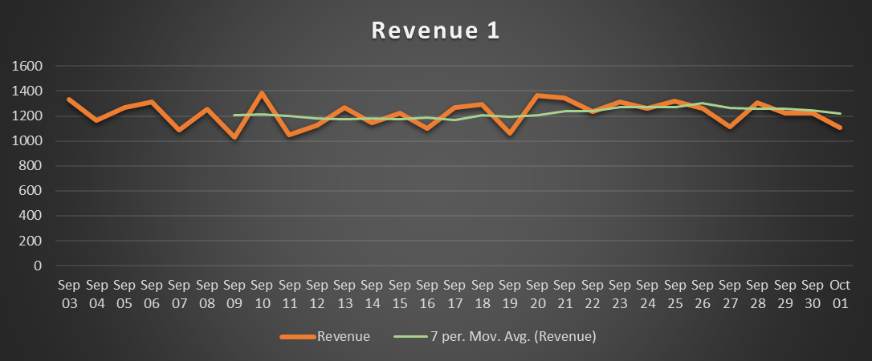
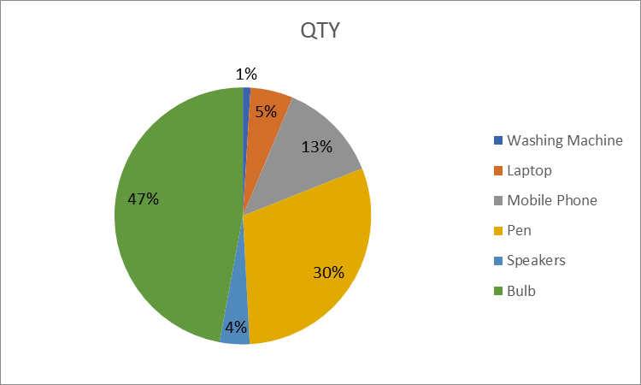
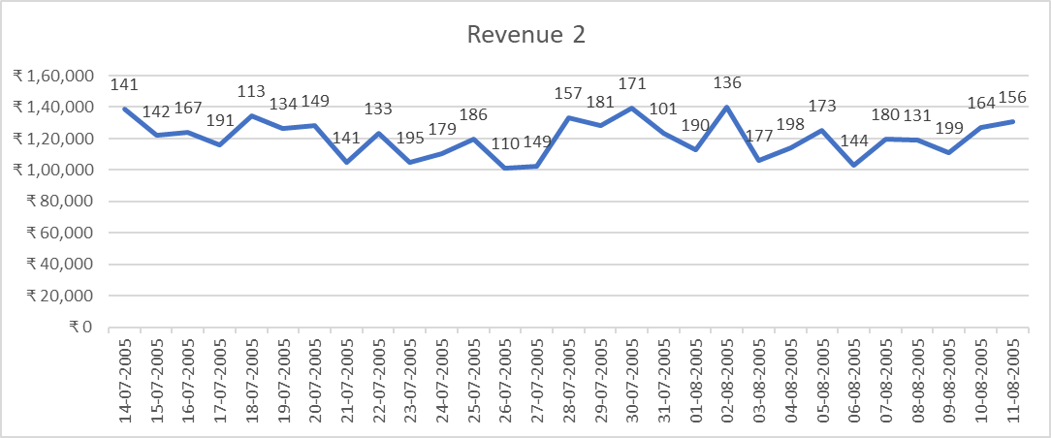
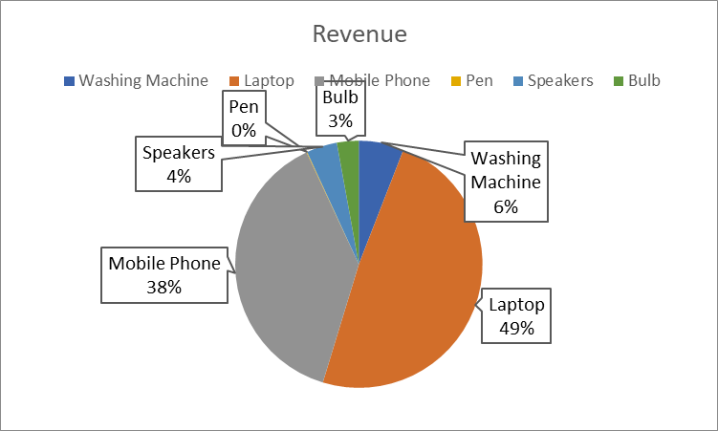
Line charts | Pie Charts

Combo Chart Sheet
Revenue and QTY
 | Revenue 4 | Qty
6/11/05 | 1303 M | 123
6/12/05 | 1368 M | 284
6/13/05 | 1123 M | 172
6/14/05 | 1292 M | 145
6/15/05 | 1084 M | 138
6/16/05 | 1121 M | 234
6/17/05 | 1187 M | 287
6/18/05 | 1099 M | 210
6/19/05 | 1093 M | 154
6/20/05 | 1217 M | 101
6/21/05 | 1028 M | 105
6/22/05 | 1264 M | 290
6/23/05 | 1279 M | 213
6/24/05 | 1353 M | 143
6/25/05 | 1163 M | 257
6/26/05 | 1173 M | 192
6/27/05 | 1163 M | 196
6/28/05 | 1222 M | 199
6/29/05 | 1380 M | 219
6/30/05 | 1260 M | 276
7/1/05 | 1221 M | 159
7/2/05 | 1027 M | 203
7/3/05 | 1312 M | 138
7/4/05 | 1077 M | 206
7/5/05 | 1035 M | 124
7/6/05 | 1148 M | 217
7/7/05 | 1091 M | 167
7/8/05 | 1104 M | 299
7/9/05 | 1014 M | 254

